TEDB Edition 40
The effects of the Japanese earthquake/tsunami in 2011 are apparent in the large decline in car production for that year. Light trucks were gaining market share from the early 1980s until 2004, mainly due to increases in the market share of sport utility vehicles (SUVs) and pickup trucks. Car SUVs are two-wheel drive/all-wheel drive smaller SUVs that are counted as cars in the Corporate Average Fuel Economy Standards for model years 2011-on. A listing of the makes/models of car SUVs is in Table 4.10.

Figure 4.4. Light Vehicle Production Shares, Model Years 1975-2021

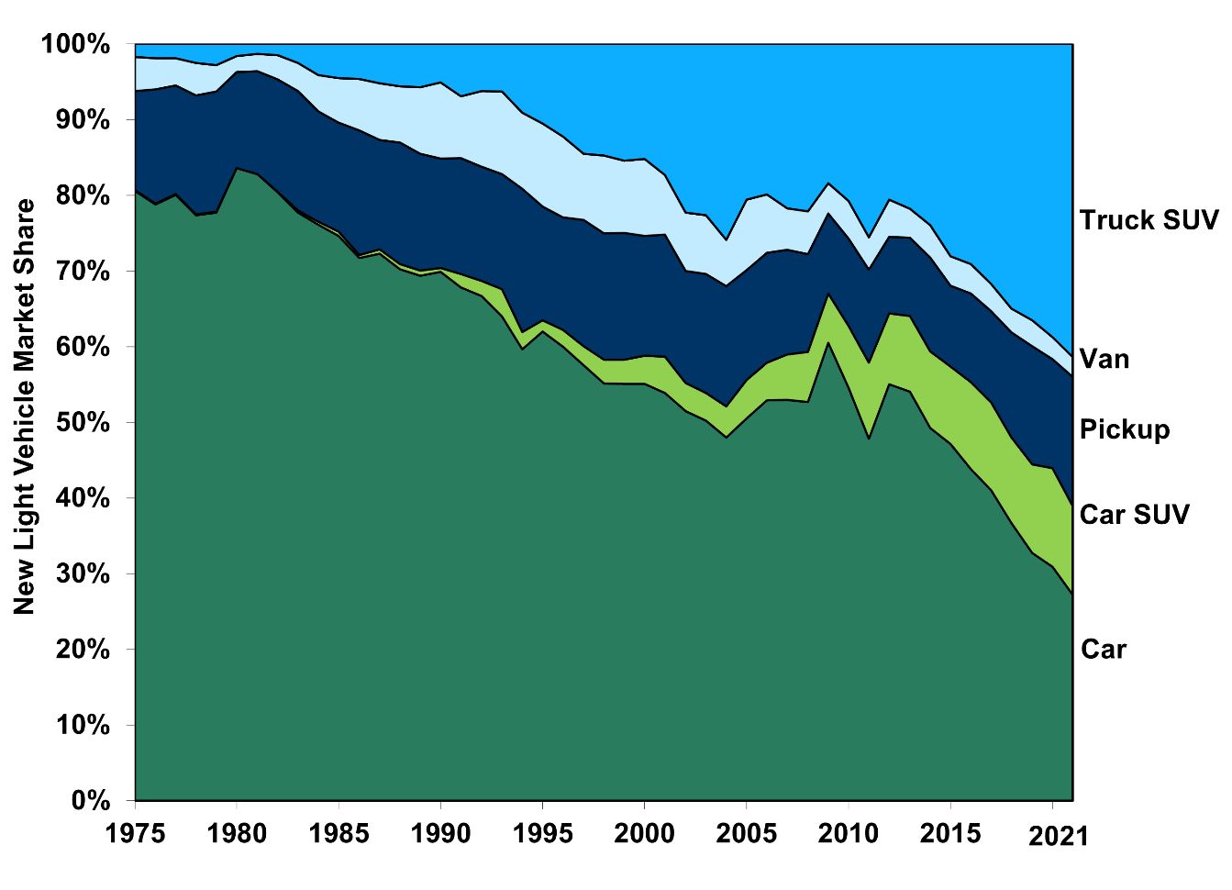

 | Model |  | Car |  |  | Truck
 | Year | Car | SUV | Pickup | Van | SUV
 | 1975 | 80.6% | 0.1% | 13.1% | 4.5% | 1.7%
 | 1976 | 78.8% | 0.1% | 15.1% | 4.1% | 1.9%
 | 1977 | 80.0% | 0.1% | 14.3% | 3.6% | 1.9%
 | 1978 | 77.3% | 0.1% | 15.7% | 4.3% | 2.5%
 | 1979 | 77.8% | 0.1% | 15.9% | 3.5% | 2.8%
 | 1980 | 83.5% | 0.0% | 12.7% | 2.1% | 1.6%
 | 1981 | 82.7% | 0.0% | 13.6% | 2.3% | 1.3%
 | 1982 | 80.3% | 0.1% | 14.8% | 3.2% | 1.5%
 | 1983 | 77.7% | 0.3% | 15.8% | 3.7% | 2.5%
 | 1984 | 76.1% | 0.4% | 14.6% | 4.8% | 4.1%
 | 1985 | 74.6% | 0.6% | 14.4% | 5.9% | 4.5%
 | 1986 | 71.7% | 0.4% | 16.5% | 6.8% | 4.6%
 | 1987 | 72.2% | 0.6% | 14.4% | 7.5% | 5.2%
 | 1988 | 70.2% | 0.7% | 16.1% | 7.4% | 5.6%
 | 1989 | 69.3% | 0.7% | 15.4% | 8.8% | 5.7%
 | 1990 | 69.8% | 0.5% | 14.5% | 10.0% | 5.1%
 | 1991 | 67.8% | 1.8% | 15.3% | 8.2% | 6.9%
 | 1992 | 66.6% | 2.0% | 15.1% | 10.0% | 6.2%
 | 1993 | 64.0% | 3.6% | 15.2% | 10.9% | 6.3%
 | 1994 | 59.6% | 2.3% | 18.9% | 10.0% | 9.1%
 | 1995 | 62.0% | 1.5% | 15.0% | 11.0% | 10.5%
 | 1996 | 60.0% | 2.2% | 14.9% | 10.7% | 12.2%
 | 1997 | 57.6% | 2.5% | 16.7% | 8.8% | 14.5%
 | 1998 | 55.1% | 3.1% | 16.7% | 10.3% | 14.7%
 | 1999 | 55.1% | 3.2% | 16.7% | 9.6% | 15.4%
 | 2000 | 55.1% | 3.7% | 15.8% | 10.2% | 15.2%
 | 2001 | 53.9% | 4.8% | 16.1% | 7.9% | 17.3%
 | 2002 | 51.5% | 3.7% | 14.8% | 7.7% | 22.3%
 | 2003 | 50.2% | 3.6% | 15.7% | 7.8% | 22.6%
 | 2004 | 48.0% | 4.1% | 15.9% | 6.1% | 25.9%
 | 2005 | 50.5% | 5.1% | 14.5% | 9.3% | 20.6%
 | 2006 | 52.9% | 5.0% | 14.5% | 7.7% | 19.9%
 | 2007 | 52.9% | 6.0% | 13.8% | 5.5% | 21.7%
 | 2008 | 52.7% | 6.6% | 12.9% | 5.7% | 22.1%
 | 2009 | 60.5% | 6.5% | 10.6% | 4.0% | 18.4%
 | 2010 | 54.5% | 8.2% | 11.5% | 5.0% | 20.7%
 | 2011 | 47.8% | 10.0% | 12.3% | 4.3% | 25.5%
 | 2012 | 55.0% | 9.4% | 10.1% | 4.9% | 20.6%
 | 2013 | 54.1% | 10.0% | 10.4% | 3.8% | 21.8%
 | 2014 | 49.2% | 10.1% | 12.4% | 4.3% | 23.9%
 | 2015 | 47.2% | 10.2% | 10.7% | 3.9% | 28.1%
 | 2016 | 43.8% | 11.5% | 11.7% | 3.9% | 29.1%
 | 2017 | 41.0% | 11.6% | 12.1% | 3.6% | 31.7%
 | 2018 | 36.7% | 11.3% | 13.9% | 3.1% | 35.0%
 | 2019 | 32.7% | 11.7% | 15.6% | 3.4% | 36.5%
 | 2020 | 30.9% | 13.0% | 14.4% | 2.9% | 38.7%
 | 2021 | 27.2% | 11.7% | 17.1% | 2.6% | 41.4%

 | Note: Data for 2021 are preliminary.

 | Source:
 | U.S. Environmental Protection Agency, The 2021 EPA Automotive Trends Report, EPA-420-R-21-023, November 2021. (Additional resources: www.epa.gov/fuel-economy-trends)

